Print Page 1
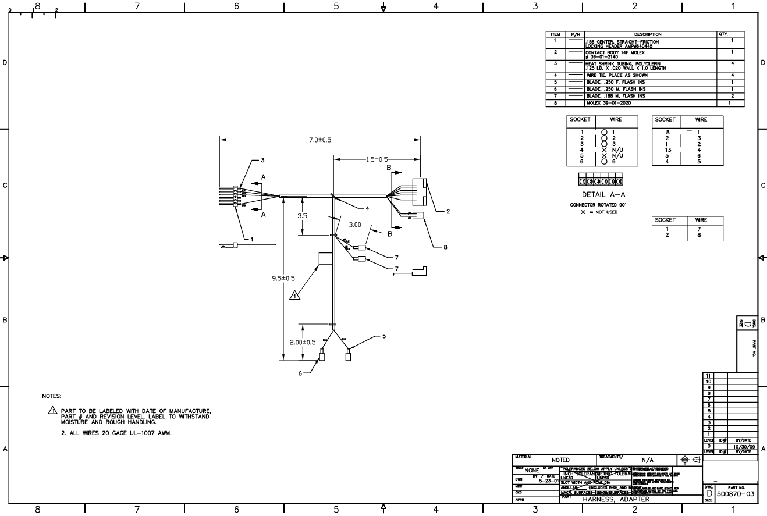

1

5

6
4

2

3

